Sheet1
 |  | Assignment 10

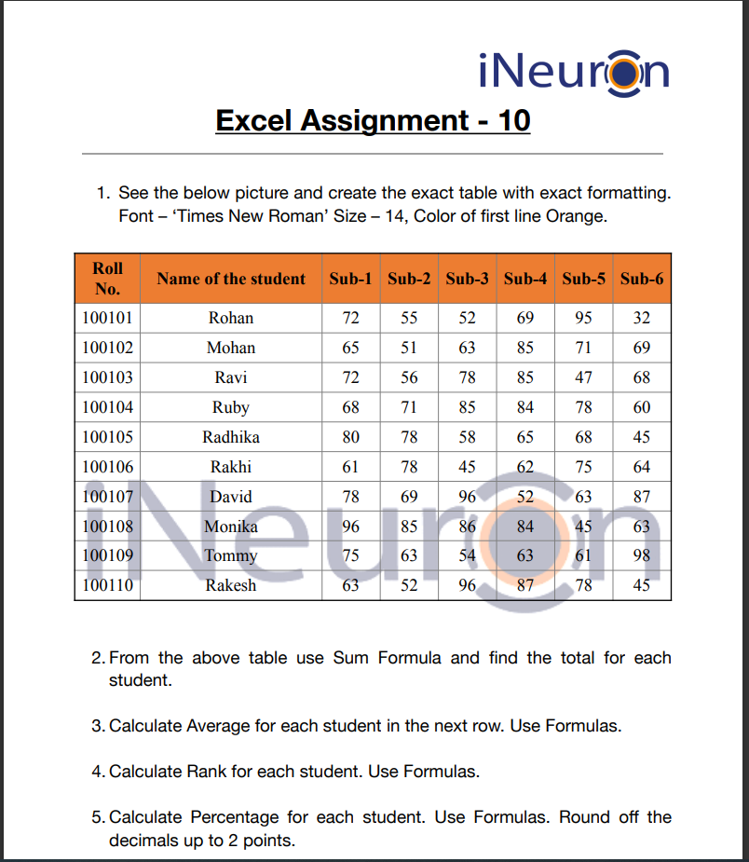

Roll No. | Name of the student | Sub-1 | Sub-2 | Sub-3 | Sub-4 | Sub-5 | Sub-6 | Total | Average | rank | Percentage | Fu I I Marks
100101 | Rohan | 72 | 55 | 52 | 69 | 95 | 32 | 375 | 107 | 10 | 375.00 | 100
100102 | Mohan | 65 | 51 | 63 | 85 | 71 | 69 | 404 | 115 | 7 | 404.00 | 100
100103 | Ravi | 72 | 56 | 78 | 85 | 47 | 68 | 406 | 116 | 6 | 406.00 | 100
100104 | Ruby | 68 | 71 | 85 | 84 | 78 | 60 | 446 | 127 | 2 | 446.00 | 100
100105 | Radhika | 80 | 78 | 58 | 65 | 68 | 45 | 394 | 113 | 8 | 394.00 | 100
100106 | Rakhi | 61 | 78 | 45 | 62 | 75 | 64 | 385 | 110 | 9 | 385.00 | 100
100107 | David | 78 | 69 | 96 | 52 | 63 | 87 | 445 | 127 | 3 | 445.00 | 100
100108 | Monika | 96 | 85 | 86 | 84 | 45 | 63 | 459 | 131 | 1 | 459.00 | 100
100109 | Tommy | 75 | 63 | 54 | 63 | 61 | 98 | 414 | 118 | 5 | 414.00 | 100
100110 | Rakesh | 63 | 52 | 96 | 87 | 78 | 45 | 421 | 120 | 4 | 421.00 | 100

